Sheet1
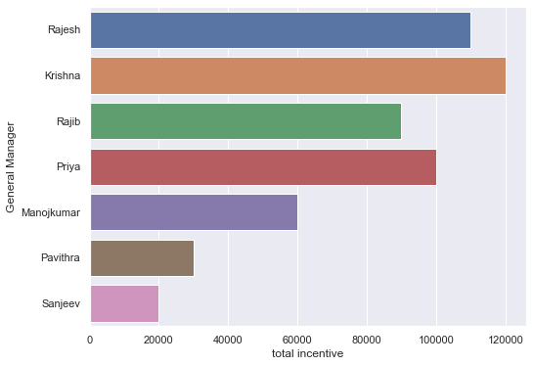
General Manager | avg price | extra incentive | unit sold | incentive | total incentive
Rajesh | 151.48958333 | 20000 | 14543 | 90000 | 110000
Krishna | 178.75862069 | 20000 | 15552 | 100000 | 120000
Rajib | 152.62820513 | 20000 | 11905 | 70000 | 90000
Priya | 176 | 20000 | 12672 | 80000 | 100000
Manojkumar | 135.734375 | 10000 | 8687 | 50000 | 60000
Pavithra | 117.2173913 | 0 | 5392 | 30000 | 30000
Sanjeev | 111.69444444 | 0 | 4021 | 20000 | 20000
 |  | 90000 | 72772 | 440000 | 530000

